Fall 22
 | 19 | 20 | 21 | 22 | 23 |  | 24 | 25 | Sept
 | Monday | Tuesday | Wednesday | Thursday | Friday |  | Saturday | Sunday |  | List | Mon | Tues | Wed | Thurs | Fri | Sat | Sun
6-9 AM | Long | Tom | Bella | Linda | Ian | 8-11 AM | Ananyo | Tom
9-12 PM | Taleen | Aira | Aira | Aira | Bernard | 11-2 PM | David (Ruby) | Moupi (Linda train)
12-3 PM | Nicol | Helena | Daniella | Margaux | Drew | 2-5 PM | Ruby | Karina
3-6 PM | Ana | Atticus | Alex | Marli | Dom | 5-9 PM | Karina | Ulysses
6-9 PM | Tacy | Tacy | Dumi | Ferran | Carson
 | 26 | 27 | 28 | 29 | 30 |  | 1 | 2 | Oct
 | Monday | Tuesday | Wednesday | Thursday | Friday |  | Saturday | Sunday |  | List | Mon | Tues | Wed | Thurs | Fri | Sat | Sun
6-9 AM | Long (Linda) | Tom | Bella | Linda | Ian | 8-11 AM | Ananyo | Tom
9-12 PM | Taleen | Dom | Linda | Aira | Bernard | 11-2 PM | David | Moupi
12-3 PM | Nicol | Helena | Daniella | Margaux | Drew | 2-5 PM | Ruby | --
3-6 PM | Ana | Atticus | Marli | Ferran | Karina | 5-9 PM | Karina | Ulysses
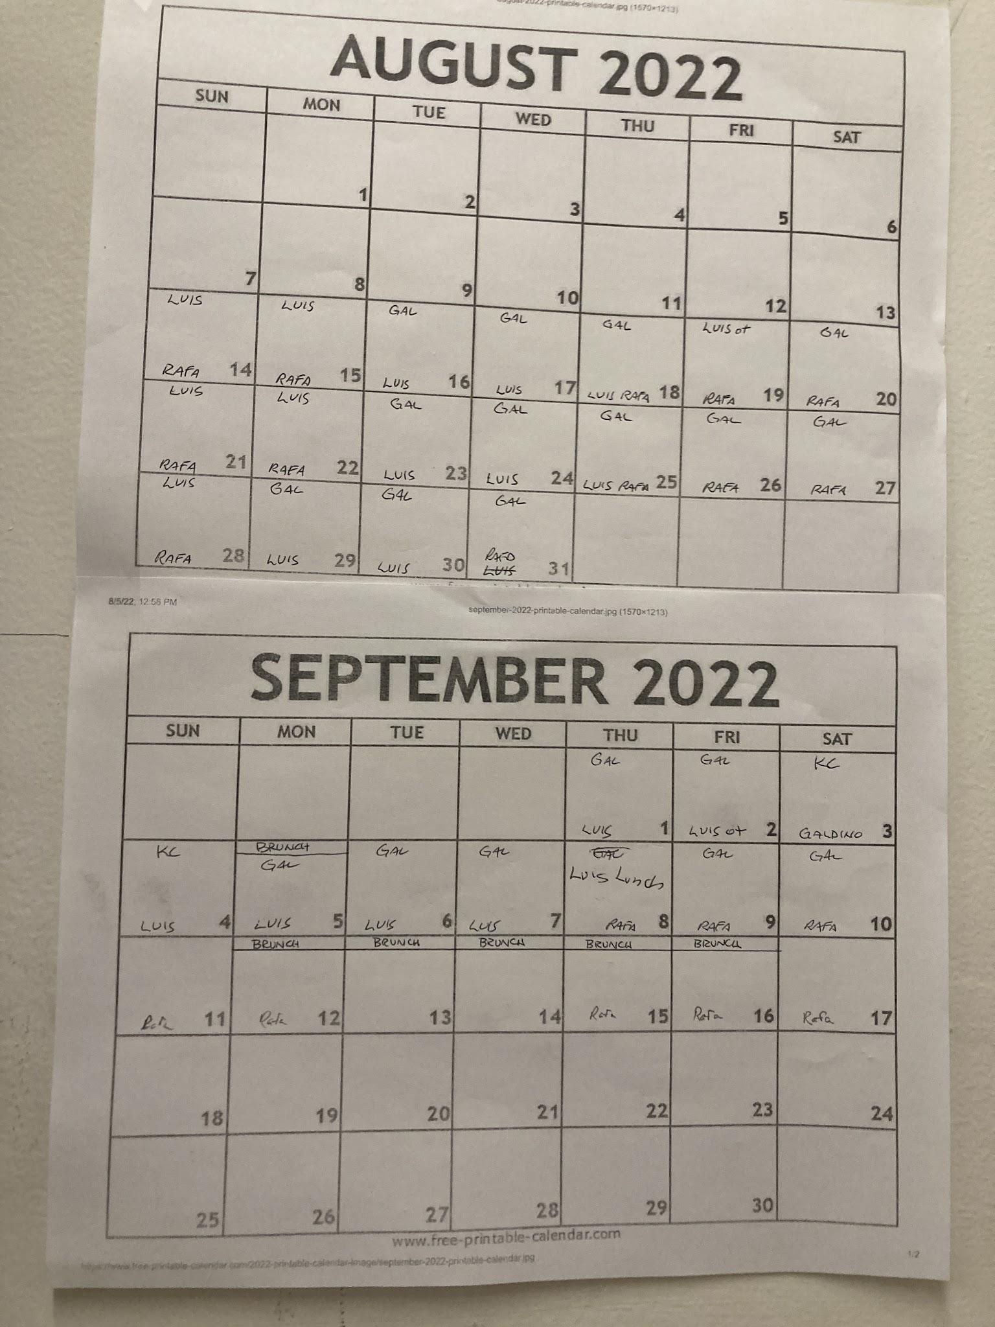
6-9 PM | Alex | Tacy | Dumi | Ferran | Carson
 | 3 | 4 | 5 | 6 | 7 |  | 8 | 9
 | Monday | Tuesday | Wednesday | Thursday | Friday |  | Saturday | Sunday |  | List | Mon | Tues | Wed | Thurs | Fri | Sat
6-9 AM | Long | Tom | Bella | Linda | Ian | 8-11 AM | Ananyo | Tom
9-12 PM | Taleen (Tom) | Karina (AKCC) | Ana | Aira | Bernard | 11-2 PM | David (Atticus) | Moupi
12-3 PM | Nicol (Helena) | Helena (Karina) | Daniella | Margaux | Drew (Karina) | 2-5 PM | Ruby | Karina
3-6 PM | Ana | Atticus (Karina) | Marli | Ferran | Alex | 5-9 PM | Karina | Ulysses
6-9 PM | Alex | Tacy | Karina | Ferran | Carson
 | 10 | 11 | 12 | 13 | 14 |  | 15 | 16
 | Monday | Tuesday | Wednesday | Thursday | Friday |  | Saturday | Sunday |  | List | Mon | Tues | Wed | Thurs | Fri | Sat
6-9 AM | Long | Tom | Bella | Linda | Ian | 8-11 AM | Ananyo | Tom
9-12 PM | Taleen | Aira | Linda | Karina | Bernard | 11-2 PM | David | Moupi
12-3 PM | Nicol | Helena | Daniella | Margaux (Helena) | Drew | 2-5 PM | Ruby | Marli
3-6 PM | Ana | Atticus | Marli | Ferran | Alex | 5-9 PM | Karina | Ulysses
6-9 PM | Alex | Tacy | Karina | Ferran | Carson
 | 17 | 18 | 19 | 20 | 21 |  | 22 | 23
 | Monday | Tuesday | Wednesday | Thursday | Friday |  | Saturday | Sunday |  | List | Mon | Tues | Wed | Thurs | Fri | Sat
6-9 AM | Long | Tom | Bella | Linda | Ian | 8-11 AM | Ananyo | Tom
9-12 PM | Taleen | Aira | Karina | Karina | Bernard | 11-2 PM | David | Moupi
12-3 PM | Nicol | Helena | Daniella | Margaux | Drew (Marli) | 2-5 PM | Ruby | Maeven (Ruby)
3-6 PM | Ana | Atticus | Marli | Ferran | Karina | 5-9 PM | Karina | Ulysses
6-9 PM | Alex | Tacy | Karina | Ferran | Carson
 | 24 | 25 | 26 | 27 | 28 |  | 29 | 30
 | Monday | Tuesday | Wednesday | Thursday | Friday |  | Saturday | Sunday |  | List | Mon | Tues | Wed | Thurs | Fri | Sat
6-9 AM | Long | Tom | Bella | Linda (Tom) | Ian | 8-11 AM | Ananyo | Tom (Linda)
9-12 PM | Karina | Aira | Yosuke | Karina | Bernard (Yosuke) | 11-2 PM | David | Moupi
12-3 PM | Nicol (Karina) | Helena | Karina | Margaux | Drew (Yosuke) | 2-5 PM | Ruby | Maeven
3-6 PM | Ana (Yosuke) | Atticus | Marli | Alex | Karina | 5-9 PM | Karina | Karina
6-9 PM | Carson | Tacy | Karina | Ferran (Karina) | Alex
 | 31 | 1 | 2 | 3 | 4 |  | 5 | 6 | Nov
 | Monday | Tuesday | Wednesday | Thursday | Friday |  | Saturday | Sunday |  | List | Mon | Tues | Wed | Thurs | Fri | Sat
6-9 AM | Caroline | Tom | Bella | Linda | Ian | 8-11 AM | Ananyo | Tom
9-12 PM | Taleen (Aira) | Aira | Yosuke | Karina | Bernard | 11-2 PM | David | Moupi
12-3 PM | Nicol (Karina) | Helena | Karina | Margaux (Marguerite) | Karina | 2-5 PM | Ruby | Maeven
3-6 PM | Ana (Aira) | Atticus | Marli | Alex | Ferran | 5-9 PM | Karina | Dumi
6-9 PM | Carson | Tacy | Karina | Ferran (Karina) | Karina
 | 7 | 8 | 9 | 10 | 11 (Veteran's Day) |  | 12 | 13
 | Monday | Tuesday | Wednesday | Thursday | Friday (Brunch) |  | Saturday | Sunday |  | List | Mon | Tues | Wed | Thurs | Fri | Sat
6-9 AM | Caroline (Linda) | Tom | Bella | Linda (Caroline) | 8-11 AM - Ian | 8-11 AM | Ananyo | Tom
9-12 PM | Taleen | Aira | Yosuke | Léa | 11-2 PM - Bernard | 11-2 PM | David | Moupi
12-3 PM | Nicol | Helena | Marguerite | Margaux | 2-5 PM - Drew | 2-5 PM | Ruby | Maeven
3-6 PM | Ana | Atticus | Marli | Julien | 5-9 PM - Yuetong | 5-9 PM | Karina | Ulyses (Dumi)
6-9 PM | Carson | Tacy | Dumi (Ulyses) | Ferran (Karina) | -
 | 14 | 15 | 16 | 17 | 18 |  | 19 | 20
 | Monday | Tuesday | Wednesday | Thursday | Friday |  | Saturday | Sunday
6-9 AM | Caroline | Tom | Bella | Linda | Ian | 8-11 AM | Ananyo | Tom
9-12 PM | Taleen | Aira | Yosuke | Léa | Bernard | 11-2 PM | David | Moupi
12-3 PM | Nicol | Helena | Marguerite | Margaux | Drew | 2-5 PM | Ruby | Maeven
3-6 PM | Ana | Atticus | Marli | Julien | Karina | 5-9 PM | Karina | Ulyses
6-9 PM | Carson | Tacy | Dumi | Ferran (Karina) | Yuetong
 | 21 | 22 | 23 | 24 (Thanksgiving) | 25 |  | 26 | 27
 | Monday | Tuesday | Wednesday | Thursday (Brunch) | Friday (Brunch) |  | Saturday | Sunday
6-9 AM | Caroline | Tom | Bella | Linda | Ian | 8-11 AM | Ananyo | Tom
9-12 PM | Taleen | Aira | Yosuke | Léa | Bernard | 11-2 PM | David | Moupi
12-3 PM | Nicol | Helena | Marguerite | Margaux | Drew | 2-5 PM | Ruby | Maeven
3-6 PM | Ana | Atticus | Marli | Julien | Karina | 5-9 PM | Karina | Ulyses
6-9 PM | Carson | Tacy | Dumi | Ferran | Yuetong

Roster
Role | Name | Dep # | Email | Checkout / Winter availability | Approx. Checkout | Opening (6-9 AM / 8-11 AM) | Pre-meal (9-12PM/3-6PM/2-5PM) | Post-meal (12-3PM/11-2PM) | Closing (6-9PM/5-9PM) | Closing Checking |  | Missed Shifts | Late
1 KCC | Ruby Liao | 25830 | liao.yj.ruby@gmail.com |  | Summer 2023 | ok | ok | ok | ok
2 AKCC | Tom Caner | 24607 | tom.caner@gmail.com | 12/12; parents here 11/25 so no more credit after that + regular shifts covered | Fall 2022 | ok | ok | ok | ok
2 AKCC | Karina Nolasco | 26009 | karinanolasco32@g.ucla.edu | !!! | Fall 2022 (+Grace) | ok | ok | ok | ok
3 KC | Ananyo Banerjee | 25888 | ananyo.emon@gmail.com |  | Spring 2023 | ok | ok ? |  | W
3 KC | Atticus Binder | 26016 | atticus.binder@gmail.com |  | Spring 2024 | ok | ok | ok
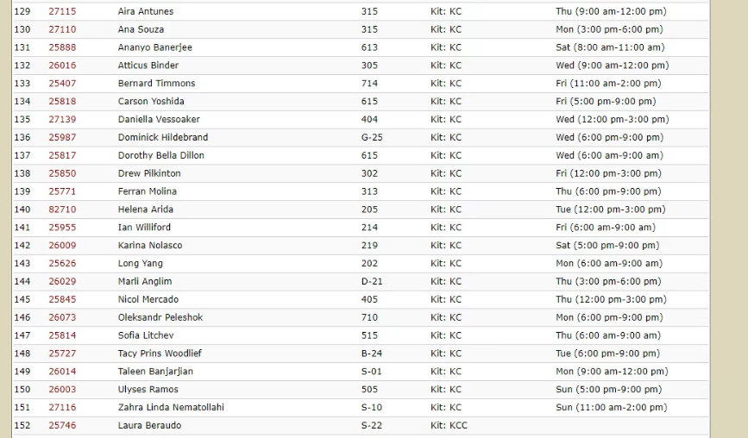
3 KC | Drew Pilkinton | 25850 | drewp03@gmail.com |  | Spring 2024 |  | ok | ok
3 KC | Ian Williford | 25955 | IWFord4242@gmail.com |  | Spring 2023 | ok | W | W | ok
3 KC | Marli Anglim | 26029 | marlianglim@g.ucla.edu |  | Spring 2023 |  | ok | ok | W
3 KC | Taleen Banjarjian | 26014 | taleenlaloyan@gmail.com |  | Winter 2024 |  | ok
3 KC | Aira Antunes | 27115 | airantunes@gmail.com |  | Fall 2023 | W | ok | ok
3 KC | Zahra Linda Nematollahi | 27116 | lindanematollahi@gmail.com |  | Fall 2023+ | ok | W | ok | W
3 KC | Bernard Timmons | 25407 | bernard_timmons@icloud.com |  | 2026 |  | ok | ok
3 KC | David Hu | 25761 | davidhu1066@gmail.com |  | Winter 2023 | W | ok | ok | W
3 KC | Tacy Prins Woodlief | 25727 | tacyprinswoodlief@gmail.com |  | Summer 2024 |  |  |  | ok
3 KC | Dorothy (Bella) Dillon | 25817 | dorothybdillon@gmail.com |  | Fall 2023 | ok | W
3 KC | Ana Souza (Correa) | 27110 | ana249correa@gmail.com |  |  |  | ok
3 KC | Carson Yoshida | 25818 | carsonyoshida@gmail.com |  | Spring 2023 |  |  |  | ok
3 KC | Dumi Trif | 25956 | dumitrif@gmail.com |  |  |  |  |  | ok
3 KC | Ferran Molina | 25771 | ferr.more@gmail.com | LOA Dec 14 - Jan 6 | Fall 2023 |  | ok |  | ok
3 KC | Helena Arida | 82710 | Helenaarida@hotmail.com |  | Spring 2023 |  |  | ok
3 KC | Nicol Mercado (Hernandez) | 25845
3 KC | Ulysses Luna | 26003 | ulysesramos.a@gmail.com | !!! | Winter 2023 |  |  |  | ok
3 KC | Margaux Pibourdin | 25876 | margaux.pibourdin@skema.edu |  | ? |  |  | ok
3 KC | Moupi Mukhopadhyay | 25490 | moupi.57@gmail.com |  |  |  | ok? | ok
3 KC | Maeven Perlich Chase | 25940 | maevenchase@gmail.com |  |  |  | ok
3 KC | Yosuke Gunji | 82713 | gunji_yosuke@student.smc.edu |  |  |  | ok
3 KC | Caroline Collomb | 27219 | caroline.collomb@skema.edu |  |  | ok
3 KC (Training) | Julien Coyette | 27207 | juliencoyette21@gmail.com |  |  |  | training 1
3 KC (Training) | Léa Nucciarelli | 27220 | lea.nucciarelli@skema.edu |  |  |  | training 1
3 KC (Training) | Yuetong Xu | 25975 | rebeccaxuyy12@g.ucla.edu |  |  |  |  |  | training 1
3 KC (Training) | Marguerite Stopin | 27225 | marguerite.stopin@gmail.com | Mon / Thurs 12-3 PM |  |  |  | training 2
4 Deep Cleaning | Sida Li (Star) | 24881 | miralcestar@ucla.edu |  | Winter 2023+ |  |  |  | deep clean only?
4 KC (Credit) | Long Yang | 25626 | longyang830@gmail.com |  | Spring 2023 / Next year | ok |  |  | W
4 KC (Credit) | Dominick (Dominique) Hildebrand | 25987 | dominickhildebrand@gmail.com | !!! | Fall 2022 | W | ok | ok | ok
4 KC (Credit) | Oleksandr (Alex) Peleshok | 26073 | Alex.pele.2001@gmail.com |  | Autumn 2023 / Next summer |  |  |  | ok |  | Can cover from 12am week days / 11am weekends
5 Interested | Anuj Agrawal |  | anuj07@g.ucla.edu
5 Interested | Vinayak Shrote
5 Interested | Raphaël ELIEZ MAMAN | 27218 | raphaeleliez@gmail.com
6 Former | Daniella Vessoaker | 27139 | daniellavessoaker@gmail.com |  | Summer 2023 | W | W | ok
6 Former | Sofia Litchev | 25814 |  |  | Spring 2023 | ok
6 Former | Riley Rudolfo |  |  |  | Spring 2023
6 Former | Daniel Lyzenga |  |  |  | Spring 2023

